Tree Inventory
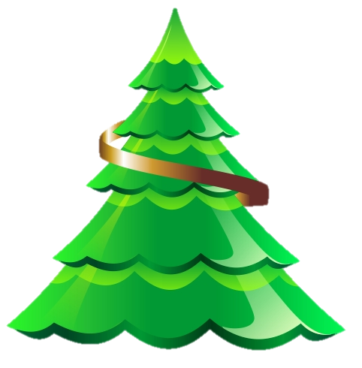
Tree Nursery Inventory

Tree Description | Seedling | Bare Root | 5 Gallon | 10 Gallon | Total
Bigleaf Maple | 4400 | 443 | 55 | 5 | 4903
Black Cottonwood | 335 | 230 | 44 | 8 | 617
Blue Spruce | 4500 | 543 | 55 | 4 | 5102
California Black Oak | 750 | 330 | 30 | 7 | 1117
California Red Fir | 2000 | 355 | 25 | 2 | 2382
Canyon Live Oak | 800 | 150 | 15 | 5 | 970
Coast Redwood | 2500 | 240 | 10 | 2 | 2752
Douglas Fir | 2700 | 300 | 33 | 7 | 3040
Englemann Spruce | 550 | 100 | 25 | 5 | 680
Giant Sequoia | 450 | 50 | 30 | 4 | 534
Grand Fir | 2500 | 644 | 81 | 9 | 3234
Incense Cedar | 3000 | 434 | 45 | 3 | 3482
Jeffrey Pine | 550 | 253 | 19 | 5 | 827
Juniper | 545 | 330 | 20 | 6 | 901
Coast Redwood | 2500 | 240 | 10 | 2 | 2752
Douglas Fir | 2700 | 300 | 33 | 7 | 3040
Englemann Spruce | 550 | 100 | 25 | 5 | 680
Giant Sequoia | 450 | 50 | 30 | 4 | 534
Coast Redwood | 2500 | 240 | 10 | 2 | 2752
Douglas Fir | 2700 | 300 | 33 | 7 | 3040
Englemann Spruce | 550 | 100 | 25 | 5 | 680
Giant Sequoia | 450 | 50 | 30 | 4 | 534
Coast Redwood | 2500 | 240 | 10 | 2 | 2752
Douglas Fir | 2700 | 300 | 33 | 7 | 3040
Englemann Spruce | 550 | 100 | 25 | 5 | 680
Giant Sequoia | 450 | 50 | 30 | 4 | 534
Coast Redwood | 2500 | 240 | 10 | 2 | 2752
Douglas Fir | 2700 | 300 | 33 | 7 | 3040
Englemann Spruce | 550 | 100 | 25 | 5 | 680
Giant Sequoia | 450 | 50 | 30 | 4 | 534

